Yaqoob
Date | Area | Observation/Description/ Steps to reproduce | Category | Developer | Status | Remarks | Area | Resource | Status | Category
 | Greeting Screen | Greeting screen appearing even if setting if off by default |  |  |  |  | Access Management | Arsalan | Open | Bug
 | Email | Popup should appear on any activity like incoming or outgoing emails etc |  |  |  |  | Address Book | Danish | Resolved | Suggestion
 | Email | Loader should not appear while activity is being performed by system. |  |  |  |  | Authorization | Fahad | Tested
 | Email | Multiple email selection option should be available |  |  |  |  | Calendar | Hamza | Acknowledged
 | Talk | When initiate group video call in Talk and then leave the call Camera still open |  |  |  |  | Daily Digest | Ovais | Re-Open
 | Talk | When add a member in a group by tick a user list of users disappear |  |  |  |  | Email |  | Ignore
 | Talk | During loading in attachement user type a message and click send message displaying in recent option but not in chat box |  |  |  |  | Feeds |  | Discussion
 | Talk | When create group/ room display at the bottom of the list |  |  |  |  | File Sync
 | Talk | Last post sharing time appearing in some Room and in some Room it is blank |  |  |  |  | Greeting Screen
 | Talk | Delete Group Option should be available |  |  |  |  | Insights
 | Email | Recurring: After optimization perform reply all system giving space between IDs and also repeating IDs |  |  |  |  | Markets |  |  | Recurring
 | File Sync | Shared File not reflection real time in recents also no notification |  |  |  |  | Media |  |  | Recurring
 | Notes | Notes not saving if add only numbers in decription |  |  |  |  | News Ticker
 | File Sync | When share any file from file sync to Talk, Title not visible ( may be due to blue color) |  |  |  |  | Notes
 | File Sync | OBS file format working very slow |  |  |  |  | Notifications
 | Email | Need to remove double arrow and setting option when user Replying all the email. |  |  |  |  | Settings
 | Notifications | Notifications missing for File Sync and Calendar |  |  |  |  | Talk |  |  | Recurring
 | File Sync | Shared file disappear from recent tab after open in collabora |  |  |  |  | User Profile
 | File Sync | Download all files started when open any file in nc |  |  |  |  | User Status
 | File Sync | Collabora response is very slow taking time to display the work |  |  |  |  | Video
 | File Sync | Please remove below row that showing shared file details |  |  |  |  | Deposit Sheet
 | File Sync | Unable to understand the to use case of insert mode and standard selection pls hide |  |  |  |  | Rate Sheet
 | File Sync | Sheet change functionality not working |  |  |  |  | General
 | File Sync | When ever click a file, File should open not NC page |  |  |  |  | Internal News
 | Email | Displaying x on start of Email ID when email send to user |  |  |  |  | Minisite
 |  | Collabora not working pls check |  |  |  |  | Audit Trial
 | Email | Next and Previous email option should be available when user has opened an email.
 | Notifications | Notifications are not sync read in one browser but in another browser it is unread
 | Email | Address not found email not received in axis email
 | File Sync | File not uploading in safari
 | File Sync | When uploading a folder file sync tool stuck on loading in mac
 | File Sync | When uploading a folder all folder files appearing on screen in mac
 | Email | IF To, CC ID are wrong and bcc email is right system not sending the email to the correct ID also email failure email did not receive
 | Feeds | Noticeboard creating horizontal scroll due to large heading. Heading should be restricted
 | Email | In draft menu delete option alignment is not accurate
 | Email | Please remove setting and double arrow in sign in screen
 | Email | Trash email not synced 24-Nov-2021
 | Minisite | Unable to delete the minisite even though I have deleted the department from admin site |  |  | Resolved | Bug
 | Minisite | Change the Document icon as implemeted on Axismain |  |  | Resolved | Not Bug
 | Minisite | Page title should be in the middle of the picture |  |  | Resolved | Not Bug
 | Minisite | When create a page in Minisite number 2 system redirect the user in minisite 1. It should stick to minisite 2 |  |  | Resolved | Not Bug
 | Minisite | I dont have page creation rights but still able to create and remove pages. Only admin should have this right |  |  | Resolved | Bug
 | Minisite | In edit bar attach image , video and file option is missing |  |  | Resolved | Not Bug
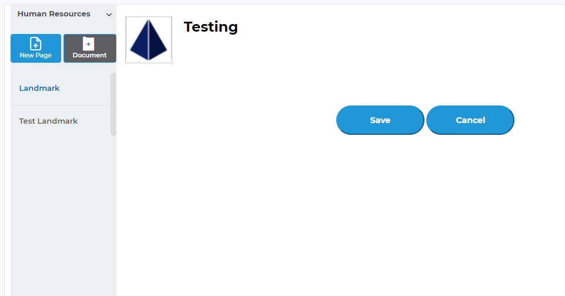
 | Minisite | Unable to paste image in minisite page |  |  | Open | Not Bug
 | Minisite | Some time edit content option not working |  |  | Resolved | Not Bug
 | Minisite | If there is not admin right then rename page option should not be displayed |  |  | Resolved | Duplicate
 | Minisite | When click edit content area increases and click save area decreases. Please check content area must be same |  |  | Resolved | Bug
 | Audit Trial | Only login in admin panel but login user displaying as login
 | Audit Trial | In user login history remove device ID if we can not record
 | Audit Trial | In user login history most of the record are not correct repeating records in logged in time.
 | Audit Trial | In user login history decrease records size like 80% screen
 | Audit Trial | In user login logsrecords exceeding "to Time" range
 | Audit Trial | Delete Minisite name from admin but still appearing in Minisites list
 | News Ticker | Time format should be as same as email AM/PM. Only Hour and Minutes to display. Also when headline is long time also squeezed that should not happen |  |  | Resolved
 | Talk | Recent, Chat , one to one chats, group chat etc scroll not working. Unable to see old chats
 | Sidebar | Minisite to go up in place of address book, Hide address book and automate option |  |  | Resolved
 | Email | Remove borders with attachments
 | File Sync | When create a new independent folder during moving a file folder created under a previous folder. Display on front screen just for a while
 | Notes | On scroll pointer should appear
 | Notes | When create new note plus icon with fonts displaying at the bottom of the container
 | Calendar | When adding attendees suggestion box is so stretched
 | Calendar | By default all events are creating on All day
 | Calendar | Event Title field should be mandatory
 | Video | Multiple click option not working when trying to create group call
 | Video | New Call notification donot appear when user on other or minimize the browser.
 | Minisite | In Edit tool when ever I click edit content a new attachment icon appear on the toolbar in minisite on Safari, Chrome, Edge, Firefox , Opera
 | Email | Star functionality not working properly
 |  | 2021-12-15
 | Email | Read Email displaying in Unread randomly | Bug
 | Feeds | Notice Board description should not be limited also Edit text component should be available | Suggestion
 | Feeds | Edit fields should not ask for new data and even add the data changes not updating | Bug
 | Feeds | Delete deposit rate not working showing not executed message | Bug
 | Feeds | Reval Rates Date not updating | Bug
 | Email | Loader should not appear on the email that already opened /read | Suggestion
 | Email | Email timing to be crossed checked again | Suggestion
 | Talk | When forward a message, chat box should changed with forwarded user | Suggestion
 | Talk | Some Users from recent chat disappear whereas chat with them recently | Bug
 | Talk | Talk counter abnormal in fahad system screen shot has been shared | Bug |  |  | It was a previous bug, removed the counter manually on case to case basis.
 | Talk | In search result Buzzed message always appearing | Bug
 | Talk | When send a message , send message should delivered to user with timer | Suggestion
 | Talk | User send an email but user unable to see email in domain | Bug
 | Talk | Chat send via email but receiver did not receive the email | Bug |  |  | It is related to email qouta
 | Talk | In Group previous chat display functionality is missing | Bug
 | Talk | On change an admin message should display | Suggestion
 | Talk | When a participant left/ added in the group message should be dipslayed | Suggestion
 | Talk | I have been added in the group but no counter appeared . 1 counter appeared at side bar after ctrl F5 | Bug
 | Talk | Unable to paste SS in group. Happening only in my system | Bug
 | Talk | Made Admin to Fahad in Axis Testing group. In group Info admin name is not visible | Bug
 | Talk | Multiple admin option should be available | Suggestion
 | Talk | Real time append user in one to one chat show hover abnormal. and hide all other users. | Bug
 | Talk | When follower share something in public room user get the email notification. Current not getting any email notification | Suggestion
 | Talk | When user added in the group with not previous message rights on print chat all messages displayed to user | Bug
 | Talk | Hashtag word should not be upper and lower case sensitive | Suggestion
 | Video | When Initaite a call dialing tone should ring | Suggestion
 | Video | When add a participant during a video call, caller dont initimate that the call has been initiated | Suggestion
 | Video | When initiater leave the call video call should be closed for all participant | Suggestion
 | Video | When notification appear video screen move below | Suggestion
 | Video | When a participant leave the call notification should appear | Suggestion
 | Video | Lagging in voice transferring | Optimization
 | Video | already on call and try to initiate another call and cancel my desicion than side bar and leave call buttons will hide on current call | Bug
 | Video | If user is already on call and someone call him then modal doesnot show who is calling. and when he rejects the call modal is not closing. | Bug
 | Video | Left Participant also getting whiteboard notification with full control | Bug
 | Video | When click on whiteboard some loader should appear for user initimation | Suggestion
 | Video | All participant names not displaying in whitboard 4:03 | Bug
 | Video | Changes not saved in whoteboard displaying blank screen 3:51 | Bug
 | Video | NC icon appearing in i frame when click on user image | Suggestion
 | File Sync | View only right user should not be able to have edit, download and share option both in NC and Axis | Bug
 | File Sync | Edit view rights user should have all rights | Suggestion
 | File Sync | Remove Can Share option as this option is already covered in can edit | Suggestion
 | File Sync | When Amna reshared a file ,File was not shared with Shumaila | Bug
 | File Sync | Farhat shared a file , I edit the file, Then farhat edit the file my changes disappeared. | Bug
 | File Sync | Shared file removed from NC but displaying in Axis | Bug | Danish | Open
 | File Sync | Remove word Folder in File Sync with folder. | Bug | Arsalan | Open
 |  | 18 Decemeber 2021
 | Media | Delete Media option should be available
 | Notes | Please provide delete note option
 | User Profile | DP picture resolution is not appropriate in Chrome, Edge , Opera in windows
 | Minisite | Talk not working on Minisite
 | User Profile | When Change password without adding Current password,Message should display that " Kindly add current password to create new password"
 | User Profile | When Disable all Notification then all notification option should be disable same as foe Enable all notification
 |  | 2021-12-20
 | Email | When delete few news from Email system donot auto load next email to balance the 25 counter in every dropdown option | Suggestion
 | Minisite | Minisite Not Reflecting in Real time
 | Minisite | Double of new created ministe in the admin Minisite access management list
 | Calendar | Calendar Invititation confirmation option is missing
 | Calendar | Unable to click on event to view details
 | Minisite | Doubling of Minisite
 | Minisite | Doubling of Department Name
 | Minisite | If a user already minites then user name must be displayed in Minisite > Access Management user name list
 | Minisite | New Created role not showing in claims
 | Minisite | View only claims are missing
 |  | 21-Dec-2021
 | Video | Admin should have option to forcefully close the call for any participant
 | Video | If Admin browser reload then Admin must have any option to re join the call.
 | Search | Change search design for Project in Axismain | Suggestion | Rafhan | Open
 |  | 23-Dec-2021
 | Minisite | Attachments to be displayed on blinking cursor
 | Minisite | Link can be remove by using back space and then click save the changes
 | Minisite | When ever user change the page Confirmation message for Save Changes or Discard to be displayed
 | Minisite | 5 Attachements can only be displayed in one row
 | Minisite | Multiple minisite can be assign to user but user will be admin of one minisite only
 | Minisite | Admin can give 'can view' and 'can edit' rights to any user
 | Minisite | In can edit rights user can perform any task that admin can do except make an admin to other user
 | Minisite | An admin will be able to assign another admin if he is willing to remove from any ministe / department
 |  | 21-Dec-2021
 | Video | When ever user left the call message should display to "User that User has left the call"
 | Video | When only one participant left in video call , participant screen display on half the screen
 | Internal News | Internal News Design need to correct | Suggestion | Rafhan
 | Email | Unable to link directly from email
 | Email | Right click paste option not working where as ctrl +V is working during compose an email
 | Email | Axis Internal Usage email could not send from Axis Email.
 |  | 31-Dec-2021
 | Internal News | When delete a news. Notification created for that news should also be removed
2022-04-01 | Email | Axis Email sync Functionalities with its exchange should be configurable by user end
 | Email | Reset password screen need to be designed

